ACI 318-19
ACI 318-19 — Formulas Used in This Workbook (Chapters 19–22) |  |  |  | Table 19.2.4.1(a)—Values of landa for lightweight concrete based on equilibrium density | Table 19.2.4.1(b)—Values of 􀈜 for lightweight concrete based on composition of aggregates

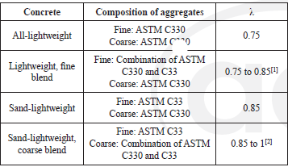
Check / Term | ACI 318-19 Ref. | Formula (as implemented) | Notes / Units
Concrete lightweight factor, λ | 19.2.4.1 / Table 19.2.4.1(a) | λ = 1.0 (wc>135 pcf); λ = 0.75 (wc≤100 pcf); else λ = min(1.0, 0.0075·wc) | wc = equilibrium density (pcf)
Steel modulus, Es | 20.2.2.2 | Es = 29,000,000 psi | Nonprestressed bars & wires
Yield strain, εty | 21.2.2.1 | εty = fy/Es | Grade 60 permitted εty=0.002
Strength reduction factor (shear) | Table 21.2.1 | ϕv = 0.75 | Used for one-way & punching shear
Strength reduction factor (bearing) | Table 21.2.1 | ϕb = 0.65 | Used for concrete bearing
Strength reduction factor (flexure) | Table 21.2.2 | For ‘Other’: ϕ=0.65 if εt≤εty; ϕ=0.90 if εt≥εty+0.003; else ϕ=0.65+0.25·(εt−εty)/0.003 | Workbook computes εt at nominal strength
Concrete max compressive strain | 22.2.2.1 | εcu = 0.003 | Used in εt calculation
Stress block depth | 22.2.2.4.1 | a = β1·c | Equivalent rectangular stress block
β1 factor | Table 22.2.2.4.3 | β1 = 0.85 (fc'≤4000 psi); else β1 = max(0.65, 0.85 − 0.05·(fc'−4000)/1000) | Inch-pound units
Compression block force | 22.2.2.4.1 | C = 0.85·fc'·a·b | Used implicitly through a-expression
Flexural nominal strength (singly reinforced) | 22.2 assumptions + equilibrium | Mn = As·fy·(d − a/2) | Assumes steel yields; check via εt
One-way shear size effect factor | 22.5.5.1.3 | λs = min(1, 2/(1 + d/10)) | d in inches
One-way shear strength by concrete (no shear reinforcement) | Table 22.5.5.1(c) | Vc = [8·λs·λ·ρw^(1/3)·√fc' + Nu/(6Ag)]·bw·d; Vc ≥ 0 | Nu positive compression; ρw=As/(bw·d)
Two-way shear stress by concrete (no shear reinforcement) | Table 22.6.5.2 | vc = least of: (a) 4·λs·λ·√fc' ; (b) (2+4/β)·λs·λ·√fc' ; (c) (2+αs·d/b0)·λs·λ·√fc' | Vc = vc·b0·d
αs for punching | 22.6.5.3 | αs = 40 interior; 30 edge; 20 corner | User selects location
Bearing strength check | 22.8.3.1 | ϕ·Bn ≥ Bu | Bu factored compressive force
Nominal bearing strength | Table 22.8.3.2 | If support wider on all sides: Bn = min(0.85·fc'·A1·√(A2/A1), 2·0.85·fc'·A1); otherwise Bn=0.85·fc'·A1 | A2 from 1V:2H frustum within support

Inputs
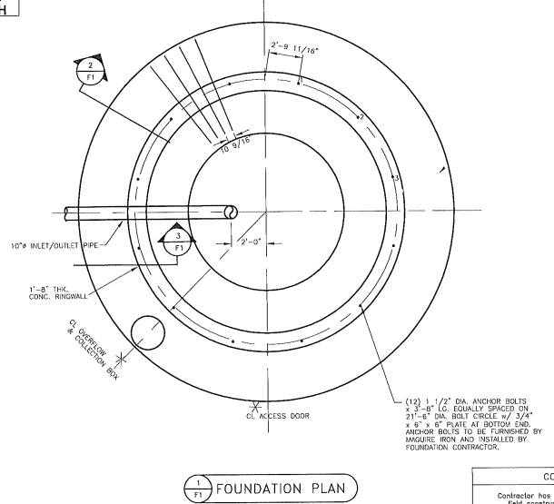
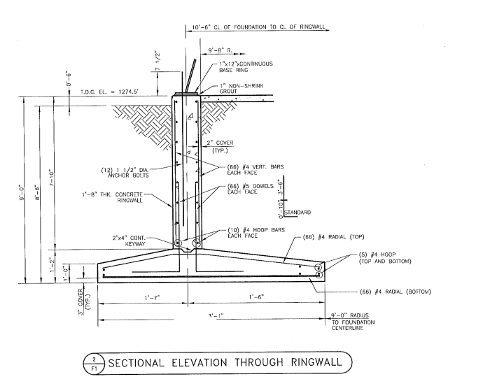
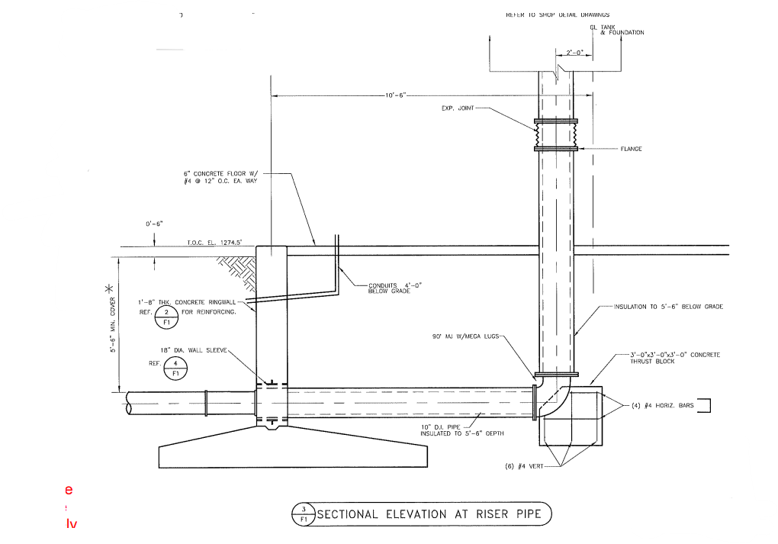
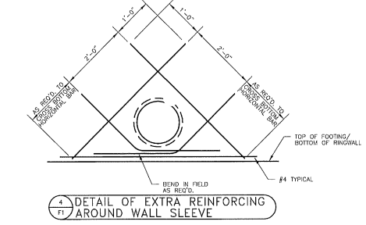
Water Tank Foundation Design (ACI 318-19)

Project / References
Project | Ute, IA – 100,000 gal Pedesphere
Design Standard | ACI 318-19 (Strength design)
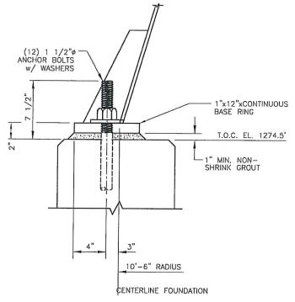
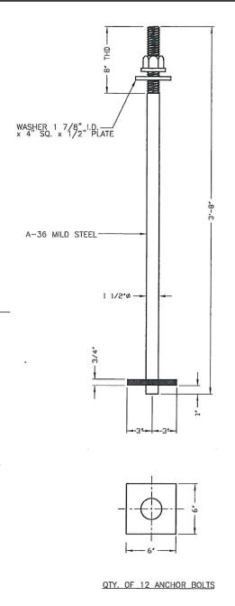
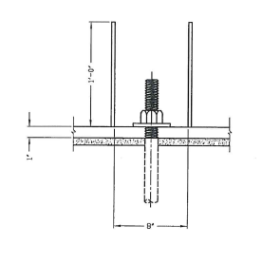
Units | US Customary (in, ft, kip, psi)

Material Properties
Concrete compressive strength, f'c (psi) |  | 4,000
Rebar yield strength, fy (psi) |  | 60,000
Concrete unit weight (pcf) |  | 150
Steel unit weight (pcf) |  | 490
Phi factors (ACI 318-19) |  | Shear: 0.75 (Table 21.2.1), Bearing: 0.65 (Table 21.2.1), Flexure: per Table 21.2.2
Steel modulus, Es (psi) |  | 29000000 | ACI 318-19 20.2.2.2
Lightweight factor, λ (auto) (19.2.4) |  | 1.000 | Table 19.2.4.1(a)
Geotechnical Inputs
Allowable soil bearing, q_allow (psf) |  | 4,000.00
Soil unit weight, γ_s (pcf) |  | 120.00
Frost depth (ft) |  | 4.00
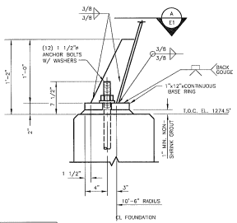
Base friction coefficient μ (if needed) |  | 0.50
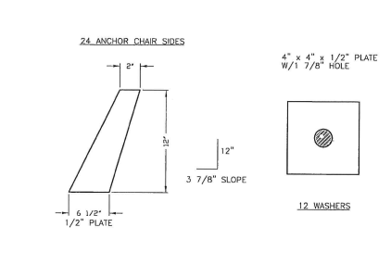
Soil-to-footing contact condition |  | Uniform bearing assumed (service level)

Loads (enter best-available values)
Water volume (gal) |  | 10,000.00
Water unit weight (pcf) |  | 62.40
Steel tank + appurtenances dead load, W_tank (kips) |  | 40.00
Concrete foundation self-weight will be computed |  | 0
Snow + roof live load (kips) |  | 13.46
Wind overturning moment at base (kip-ft) |  | 34.32
Seismic base shear (kips) |  | 108.46646939
Load combinations |  | 975.76

